Test case Example
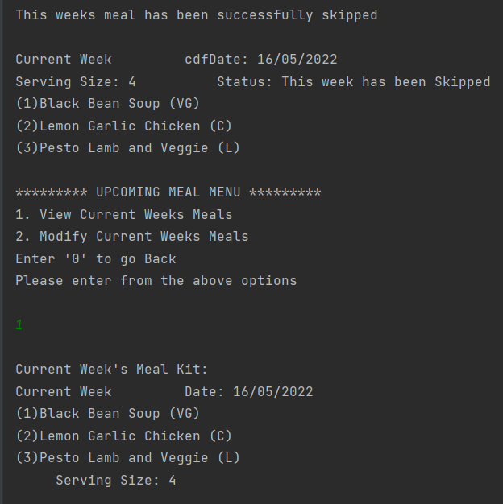
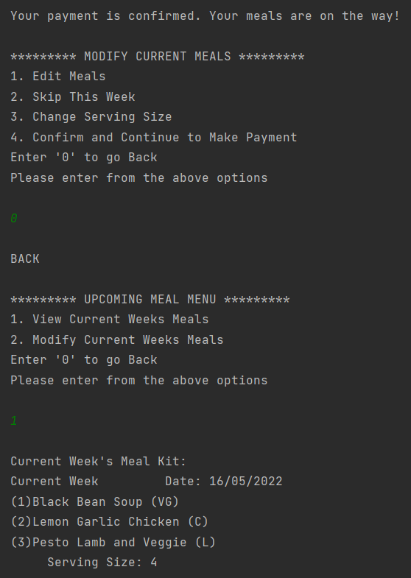
FIT5136 Software Engineering
ASSIGNMENT 5
 |  |  |  |  | Team 2
 |  |  |  |  | Anna Mary Almeida | 32313500
 |  |  |  |  | Gefferson Nelson | 32801858
 |  |  |  |  | Sahaj Kishore Jain | 32313152
Choosing meal options:
Test Number | Reason for Test/ Purpose for Test | Action | Input | Expected output | Actual Output | Test Pass/ Fail
001 | Test if meal option can be empty | Step 1: View and Modify Current Meals | Step 1: 3 | Step 1: Display Current meals menu | Step 1: Displays current meals menu | Pass
 |  | Step 2: Modify current Weeks Meals | Step 2: 2 | Step 2: Display Modify Current meals menu | Step 2: Displays Modify Current meals | Pass
 |  | Step 3: Edit Meals | Step 3: 1 | Step 3 : Display Edit Meals menu | Step 3: Displays Edit Meals menu | Pass
 |  | Step 4: Add meals | Step 4: 1 | Step 4: Display Meal Menu | Step 4: Displays Meal Menu | Pass
 |  | Step 5: Leave the input space empty and press enter | Step 5: | Step 5: Displays "Invalid Input" | Step 5: Does not add a meal, and reverts to the previous menu | Fail
002 | Test if meal choice if it accepts string | Step 1: View and Modify Current Meals | Step 1: 3 | Step 1: Display Current meals menu | Step 1: Displays current meals menu | Pass
 |  | Step 2: Modify current Weeks Meals | Step 2: 2 | Step 2: Display Modify Current meals menu | Step 2: Displays Modify Current meals | Pass
 |  | Step 3: Edit Meals | Step 3: 1 | Step 3 : Display Edit Meals menu | Step 3: Displays Edit Meals menu | Pass
 |  | Step 4: Add meals | Step 4: 1 | Step 4: Display Meal Menu | Step 4: Displays Meal Menu | Pass
 |  | Step 5: Add meals from the list of meal choices | Step 5: a | Step 5: Should ask the user to input a valid serial number | Step 5: Causes an error | Fail

Test 001: Meal option left blank |  |  |  | Test 002: Entered String
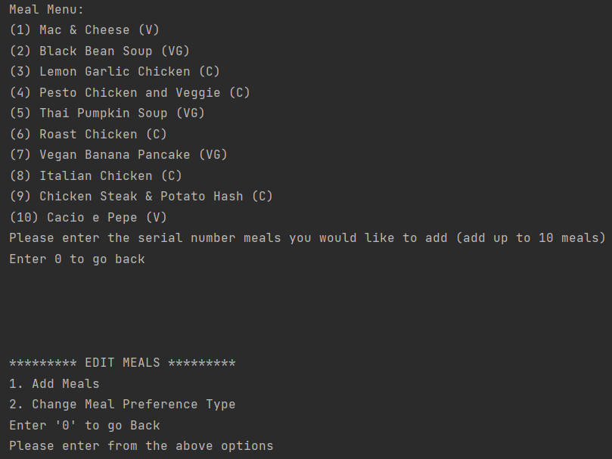
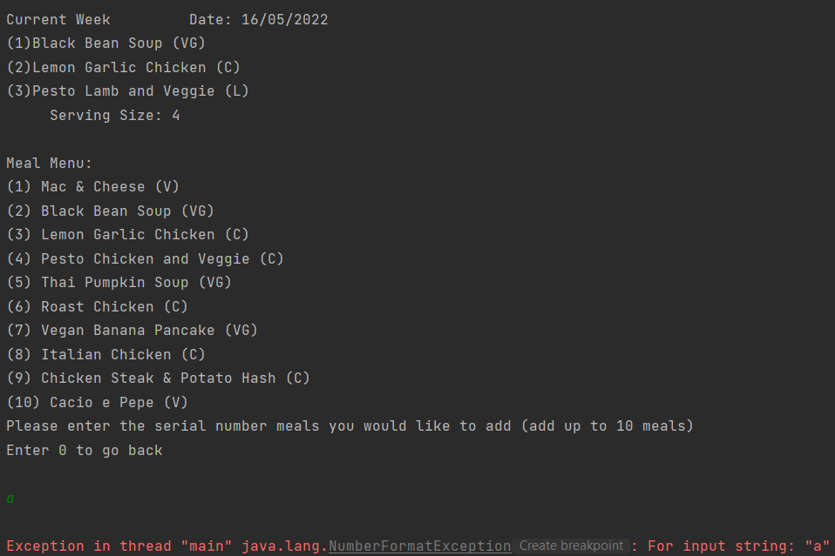

Not choosing Skip order:
Test Number | Reason for Test/ Purpose for Test | Action | Input | Expected output | Actual Output | Test Pass/ Fail
001 | Test if 3 meals are displayed by default when not skipped | Step 1:View and Modify Current Meals | Step 1: 3 | Step 1: Display Current Meal Menu | Step 1: Displays Current Meal Menu | Pass
 |  | Step 2: View Current Weeks Meals | Step 2: 1 | Step 2: Display the current weeks meals | Step 2: Displays the current weeks meals | Pass
002 | Skip the booking after order has been placed | Step 1:View and Modify Current Meals | Step 1: 3 | Step 1: Display Current Meal Menu | Step 1: Displays Current Meal Menu | Pass
 |  | Step 2: Modify Current weeks Meals | Step 2: 2 | Step 2: Display Modify Current meals menu | Step 2: Displays Modify Current meals menu | Pass
 |  | Step 3: Confirm and make payment | Step 3: 4 | Step 3: Display Current week's subsription details and a Confirmation prompt | Step 3: Displays Current week's subsription details and a Confirmation prompt | Pass
 |  | Step 4: Confirm Payment | Step 4: 1 | Step 4: Display Payment details prompt | Step 4: Displays Payment details prompt | Pass
 |  | Step 5: Enter Payment details | Step 5: Card Name: "customer" Card Number: "3654789654136542" Card Expiry: "08/29" Card CVV: "123" | Step 5: Confirm payment and display payment confirmation | Step 5: Confirms payment and display payment confirmation | Pass
 |  | Step 6: Skip this week | Step 6: 2 | Step 6: Should not allow skip option | Step 6: Asks for confirmation of skipping | Fail
 |  | Step 7: Confirmation to skip the week | Step 7: 1 | Step 7: Should not allow to skip | Step 7: Confirmation feedback and status depicting the weeks meal kit being skipped | Fail

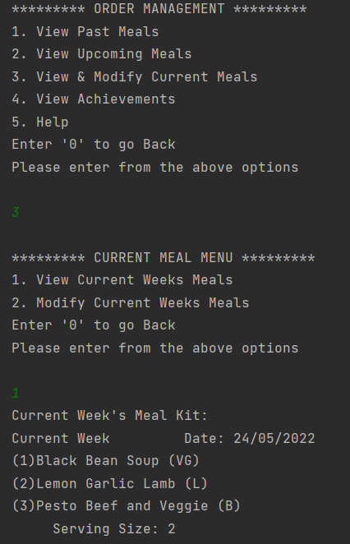
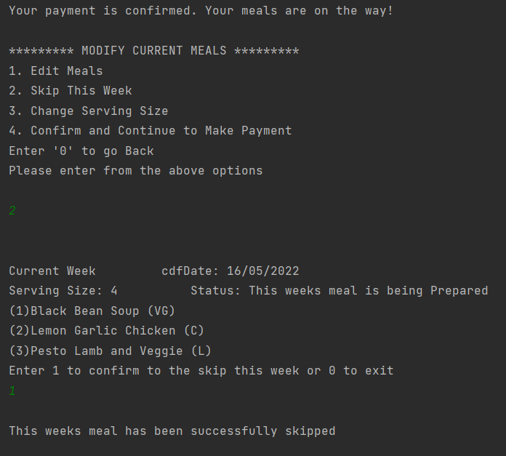
Test 001: 3 Default Meals displayed when not skipped |  |  | Test 002: Skipping after Payment

Meal details:
Test Number | Reason for Test/ Purpose for Test | Action | Input | Expected output | Actual Output | Test Pass/ Fail
001 | Tests and matches the customers allergens along with the meals allergens | Step 1: View and Modify Current Meals | Step 1: 3 | Step 1: Display Current meals menu | Step 1: Displays Current meals menu | Pass
 |  | Step 2: View Current Weeks Meals | Step 5: 1 | Step 2: List of meals with matching allergens | Step 2: Displays Current week's meal list with allergens unrelated to the user | Fail
002 | Test if system shows only ingredients from Monash Food Court | Step 1: View and Modify Current Meals | Step 1: 3 | Step 1: Display Current meal's menu | Step 1: Displays Current meal's menu | Pass
 |  | Step 2: View Current Weeks Meals | Step 2: 1 | Step 2: Display list of meals and the ingredients from monash food court | Step 2: Displays Current week's meal list | Fail

Test 001 and 002: Current week's list of meals
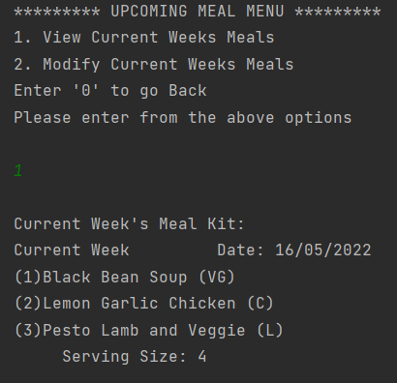

Meal summary:
Test Number | Reason for Test/ Purpose for Test | Action | Input | Expected output | Actual Output | Test Pass/ Fail
001 | Test if the user cannot see the meal summary after skipping a meal | Step 1: View and Modify Current Meals | Step 1: 3 | Step 1: Display Current meals menu | Step 1: Displays Current meals menu | Pass
 |  | Step 2: Modify current Weeks Meals | Step 2: 2 | Step 2: Display Modify Current meals menu | Step 2: Displays Modify Current meals | Pass
 |  | Step 3: Skip this week | Step 3 : 2 | Step 3: Meal kit for the week along with its status is displayed | Step 3: Meal kit for the week along with its status is displayed | Pass
 |  | Step 4: Confirmation to skip the week | Step 4: 1 | Step 4: Confirmation feedback and status depicting the weeks meal kit being skipped | Step 4: Confirmation feedback and status depicting the weeks meal kit being skipped | Pass
 |  | Step 5: View Current weeks meal | Step 5: 1 | Step 5: Should not be displayed | Step 5: Displays Current weeks meal kit | Fail
002 | Test if meal ordered on 23rd May, 2022 will be delivered on 28th May, 2022 | Step 1:View and Modify Current Meals | Step 1: 3 | Step 1: Display Current Meal Menu | Step 2: Displays Current meals menu | Pass
 |  | Step 2: Modify Current weeks Meals | Step 2: 2 | Step 2: Display Modify Current meals menu | Step 2: Displays Modify Current meals menu | Pass
 |  | Step 3: Confirm and make payment | Step 3: 4 | Step 3: Current week's subsription details and a Confirmation prompt | Step 3: Current week's subsription details and a Confirmation prompt | Pass
 |  | Step 4: Confirm Payment | Step 4: 1 | Step 4: Payment details prompt | Step 4: Payment details prompt | Pass
 |  | Step 5: Enter Payment details and display ordered date and delivery date | Step 5: Card Name: "customer" Card Number: "3654789654136542" Card Expiry: "08/29" Card CVV: "123" | Step 5: Display order (23/05/22) and expected delivery (28/05/22) date | Step 5: "Your payment is confirmed. Your meals are on the way!" | Fail
003 | Test if meal ordered on 25th May, 2022 will be delivered on 4th June, 2022 | Step 1:View and Modify Current Meals | Step 1: 3 | Step 1: Display Current Meal Menu | Step 1: Displays Current Meal Menu | Pass
 |  | Step 2: Modify Current weeks Meals | Step 2: 2 | Step 2: Display Modify Current meals menu | Step 2: Displays Modify Current meals menu | Pass
 |  | Step 3: Confirm and make payment | Step 3: 4 | Step 3: Display Current week's subsription details and a Confirmation prompt | Step 3: Displays Current week's subsription details and a Confirmation prompt | Pass
 |  | Step 4: Confirm Payment | Step 4: 1 | Step 4: Display Payment details prompt | Step 4: Display Payment details prompt | Pass
 |  | Step 5: Enter Payment details and display ordered date and delivery date | Step 5: Card Name: "customer" Card Number: "3654789654136542" Card Expiry: "08/29" Card CVV: "123" | Step 5: Display order (25/05/22)and expected delivery (04/06/22) date | Step 5: Display "Your payment is confirmed. Your meals are on the way! " | Fail

Test 001: View Meal list after skip |  |  |  | Test 002 and test 003: Meal date after payment

